139 Mut Plate 1
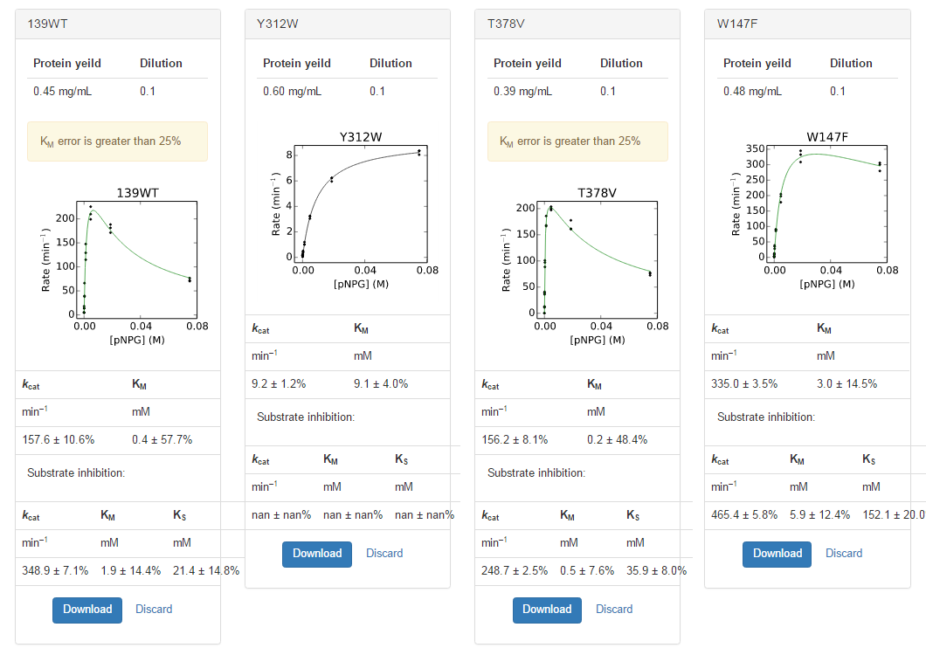
plate | sample | yield | dilution | Well | Max V [420] | kobs | s
11 | WT 139 | 0.4525 | 0.1 | A1 | 3.8378571E-02 | 7.69E+01 | 0.07500 | 7.31E+01 | kcat | KM
11 | WT 139 | 0.4525 | 0.1 | B1 | 8.5828571E-02 | 1.72E+02 | 0.01875 |  | min–1 | mM
11 | WT 139 | 0.4525 | 0.1 | C1 | 1.1295714E-01 | 2.26E+02 | 0.00469 |  | 157.6 ± 10.6% | 0.4 ± 57.7%
11 | WT 139 | 0.4525 | 0.1 | D1 | 7.3975000E-02 | 1.48E+02 | 0.00117
11 | WT 139 | 0.4525 | 0.1 | E1 | 3.3157143E-02 | 6.64E+01 | 0.00029 |  | Substrate inhibition:
11 | WT 139 | 0.4525 | 0.1 | F1 | 9.0607143E-03 | 1.82E+01 | 0.00007 |  | kcat | KM | KS
11 | WT 139 | 0.4525 | 0.1 | G1 | 2.6642857E-03 | 5.34E+00 | 0.00002 |  | min–1 | mM | mM
11 | WT 139 | 0.4525 | 0.1 | H1 | -1.4821429E-03 | -2.97E+00 | 0.00000 |  | 348.9 ± 7.1% | 1.9 ± 14.4% | 21.4 ± 14.8
11 | WT 139 | 0.4525 | 0.1 | A2 | 3.5917857E-02 | 7.20E+01 | 0.07500
11 | WT 139 | 0.4525 | 0.1 | B2 | 9.4321429E-02 | 1.89E+02 | 0.01875
11 | WT 139 | 0.4525 | 0.1 | C2 | 9.9767857E-02 | 2.00E+02 | 0.00469
11 | WT 139 | 0.4525 | 0.1 | D2 | 5.7592857E-02 | 1.15E+02 | 0.00117
11 | WT 139 | 0.4525 | 0.1 | E2 | 1.9796429E-02 | 3.97E+01 | 0.00029
11 | WT 139 | 0.4525 | 0.1 | F2 | 6.8250000E-03 | 1.37E+01 | 0.00007
11 | WT 139 | 0.4525 | 0.1 | G2 | 2.1214286E-03 | 4.25E+00 | 0.00002
11 | WT 139 | 0.4525 | 0.1 | H2 | -5.0000000E-05 | -1.00E-01 | 0.00000
11 | WT 139 | 0.4525 | 0.1 | A3 | 3.5207143E-02 | 7.05E+01 | 0.07500
11 | WT 139 | 0.4525 | 0.1 | B3 | 9.0850000E-02 | 1.82E+02 | 0.01875
11 | WT 139 | 0.4525 | 0.1 | C3 | 1.0515357E-01 | 2.11E+02 | 0.00469
11 | WT 139 | 0.4525 | 0.1 | D3 | 6.4792857E-02 | 1.30E+02 | 0.00117
11 | WT 139 | 0.4525 | 0.1 | E3 | 1.9085714E-02 | 3.82E+01 | 0.00029
11 | WT 139 | 0.4525 | 0.1 | F3 | 6.9428571E-03 | 1.39E+01 | 0.00007
11 | WT 139 | 0.4525 | 0.1 | G3 | 2.5035714E-03 | 5.02E+00 | 0.00002
11 | WT 139 | 0.4525 | 0.1 | H3 | -3.9285714E-05 | -7.87E-02 | 0.00000
11 | Y312W | 0.6035 | 0.1 | A4 | 5.3857143E-03 | 8.09E+00 | 0.07500 | 8.29E+00 | kcat | KM
11 | Y312W | 0.6035 | 0.1 | B4 | 3.9821429E-03 | 5.98E+00 | 0.01875 |  | min–1 | mM
11 | Y312W | 0.6035 | 0.1 | C4 | 2.1500000E-03 | 3.23E+00 | 0.00469 |  | 9.2 ± 1.2% | 9.1 ± 4.0%
11 | Y312W | 0.6035 | 0.1 | D4 | 8.0000000E-04 | 1.20E+00 | 0.00117
11 | Y312W | 0.6035 | 0.1 | E4 | 3.3928571E-04 | 5.10E-01 | 0.00029 |  | Substrate inhibition:
11 | Y312W | 0.6035 | 0.1 | F4 | 1.7142857E-04 | 2.58E-01 | 0.00007 |  | kcat | KM | KS
11 | Y312W | 0.6035 | 0.1 | G4 | 1.0714286E-04 | 1.61E-01 | 0.00002 |  | min–1 | mM | mM
11 | Y312W | 0.6035 | 0.1 | H4 | 3.2142857E-05 | 4.83E-02 | 0.00000 |  | nan ± nan% | nan ± nan% | nan ± nan%
11 | Y312W | 0.6035 | 0.1 | A5 | 5.5892857E-03 | 8.40E+00 | 0.07500
11 | Y312W | 0.6035 | 0.1 | B5 | 4.1714286E-03 | 6.27E+00 | 0.01875
11 | Y312W | 0.6035 | 0.1 | C5 | 2.0357143E-03 | 3.06E+00 | 0.00469
11 | Y312W | 0.6035 | 0.1 | D5 | 6.7500000E-04 | 1.01E+00 | 0.00117
11 | Y312W | 0.6035 | 0.1 | E5 | 2.5714286E-04 | 3.86E-01 | 0.00029
11 | Y312W | 0.6035 | 0.1 | F5 | 1.3928571E-04 | 2.09E-01 | 0.00007
11 | Y312W | 0.6035 | 0.1 | G5 | 9.6428571E-05 | 1.45E-01 | 0.00002
11 | Y312W | 0.6035 | 0.1 | H5 | -3.2142857E-05 | -4.83E-02 | 0.00000
11 | Y312W | 0.6035 | 0.1 | A6 | 5.5857143E-03 | 8.39E+00 | 0.07500
11 | Y312W | 0.6035 | 0.1 | B6 | 4.1571429E-03 | 6.25E+00 | 0.01875
11 | Y312W | 0.6035 | 0.1 | C6 | 2.1714286E-03 | 3.26E+00 | 0.00469
11 | Y312W | 0.6035 | 0.1 | D6 | 6.8214286E-04 | 1.02E+00 | 0.00117
11 | Y312W | 0.6035 | 0.1 | E6 | 2.8571429E-04 | 4.29E-01 | 0.00029
11 | Y312W | 0.6035 | 0.1 | F6 | 1.3214286E-04 | 1.99E-01 | 0.00007
11 | Y312W | 0.6035 | 0.1 | G6 | 8.9285714E-05 | 1.34E-01 | 0.00002
11 | Y312W | 0.6035 | 0.1 | H6 | 3.5714286E-05 | 5.37E-02 | 0.00000
11 | T376V | 0.3885 | 0.1 | A7 | 3.1185714E-02 | 7.28E+01 | 0.07500 | 7.57E+01 | kcat | KM
11 | T376V | 0.3885 | 0.1 | B7 | 6.9189286E-02 | 1.61E+02 | 0.01875 |  | min–1 | mM
11 | T376V | 0.3885 | 0.1 | C7 | 8.4867857E-02 | 1.98E+02 | 0.00469 |  | 156.2 ± 8.1% | 0.2 ± 48.4%
11 | T376V | 0.3885 | 0.1 | D7 | 7.9964286E-02 | 1.87E+02 | 0.00117
11 | T376V | 0.3885 | 0.1 | E7 | 4.1728571E-02 | 9.74E+01 | 0.00029 |  | Substrate inhibition:
11 | T376V | 0.3885 | 0.1 | F7 | 1.6542857E-02 | 3.86E+01 | 0.00007 |  | kcat | KM | KS
11 | T376V | 0.3885 | 0.1 | G7 | 5.5785714E-03 | 1.30E+01 | 0.00002 |  | min–1 | mM | mM
11 | T376V | 0.3885 | 0.1 | H7 | 5.0000000E-05 | 1.17E-01 | 0.00000 |  | 248.7 ± 2.5% | 0.5 ± 7.6% | 35.9 ± 8.0%
11 | T376V | 0.3885 | 0.1 | A8 | 3.3310714E-02 | 7.77E+01 | 0.07500
11 | T376V | 0.3885 | 0.1 | B8 | 6.9432143E-02 | 1.62E+02 | 0.01875
11 | T376V | 0.3885 | 0.1 | C8 | 8.5971429E-02 | 2.01E+02 | 0.00469
11 | T376V | 0.3885 | 0.1 | D8 | 7.1657143E-02 | 1.67E+02 | 0.00117
11 | T376V | 0.3885 | 0.1 | E8 | 3.8096429E-02 | 8.89E+01 | 0.00029
11 | T376V | 0.3885 | 0.1 | F8 | 1.5514286E-02 | 3.62E+01 | 0.00007
11 | T376V | 0.3885 | 0.1 | G8 | 4.7642857E-03 | 1.11E+01 | 0.00002
11 | T376V | 0.3885 | 0.1 | H8 | 1.2500000E-04 | 2.92E-01 | 0.00000
11 | T376V | 0.3885 | 0.1 | A9 | 3.2775000E-02 | 7.65E+01 | 0.07500
11 | T376V | 0.3885 | 0.1 | B9 | 7.6407143E-02 | 1.78E+02 | 0.01875
11 | T376V | 0.3885 | 0.1 | C9 | 8.7639286E-02 | 2.05E+02 | 0.00469
11 | T376V | 0.3885 | 0.1 | D9 | 7.2303571E-02 | 1.69E+02 | 0.00117
11 | T376V | 0.3885 | 0.1 | E9 | 4.3428571E-02 | 1.01E+02 | 0.00029
11 | T376V | 0.3885 | 0.1 | F9 | 1.7582143E-02 | 4.10E+01 | 0.00007
11 | T376V | 0.3885 | 0.1 | G9 | 5.2964286E-03 | 1.24E+01 | 0.00002
11 | T376V | 0.3885 | 0.1 | H9 | -3.5714286E-05 | -8.33E-02 | 0.00000
11 | W147F | 0.477 | 0.1 | A10 | 1.4759286E-01 | 2.81E+02 | 0.07500 | 2.96E+02 | kcat | KM
11 | W147F | 0.477 | 0.1 | B10 | 1.6285357E-01 | 3.10E+02 | 0.01875 |  | min–1 | mM
11 | W147F | 0.477 | 0.1 | C10 | 1.0445357E-01 | 1.99E+02 | 0.00469 |  | 335.0 ± 3.5% | 3.0 ± 14.5%
11 | W147F | 0.477 | 0.1 | D10 | 4.7910714E-02 | 9.11E+01 | 0.00117
11 | W147F | 0.477 | 0.1 | E10 | 1.8507143E-02 | 3.52E+01 | 0.00029 |  | Substrate inhibition:
11 | W147F | 0.477 | 0.1 | F10 | 6.9071429E-03 | 1.31E+01 | 0.00007 |  | kcat | KM | KS
11 | W147F | 0.477 | 0.1 | G10 | 2.1321429E-03 | 4.05E+00 | 0.00002 |  | min–1 | mM | mM
11 | W147F | 0.477 | 0.1 | H10 | -5.3571429E-05 | -1.02E-01 | 0.00000 |  | 465.4 ± 5.8% | 5.9 ± 12.4% | 152.1 ± 20.0%
11 | W147F | 0.477 | 0.1 | A11 | 1.5828214E-01 | 3.01E+02 | 0.07500
11 | W147F | 0.477 | 0.1 | B11 | 1.7546429E-01 | 3.34E+02 | 0.01875
11 | W147F | 0.477 | 0.1 | C11 | 1.0815000E-01 | 2.06E+02 | 0.00469
11 | W147F | 0.477 | 0.1 | D11 | 4.7175000E-02 | 8.97E+01 | 0.00117
11 | W147F | 0.477 | 0.1 | E11 | 2.0442857E-02 | 3.89E+01 | 0.00029
11 | W147F | 0.477 | 0.1 | F11 | 5.9678571E-03 | 1.13E+01 | 0.00007
11 | W147F | 0.477 | 0.1 | G11 | 1.8607143E-03 | 3.54E+00 | 0.00002
11 | W147F | 0.477 | 0.1 | H11 | 4.2857143E-05 | 8.15E-02 | 0.00000
11 | W147F | 0.477 | 0.1 | A12 | 1.6138214E-01 | 3.07E+02 | 0.07500
11 | W147F | 0.477 | 0.1 | B12 | 1.8207500E-01 | 3.46E+02 | 0.01875
11 | W147F | 0.477 | 0.1 | C12 | 9.4128571E-02 | 1.79E+02 | 0.00469
11 | W147F | 0.477 | 0.1 | D12 | 4.5125000E-02 | 8.58E+01 | 0.00117
11 | W147F | 0.477 | 0.1 | E12 | 1.4692857E-02 | 2.79E+01 | 0.00029
11 | W147F | 0.477 | 0.1 | F12 | 4.6821429E-03 | 8.90E+00 | 0.00007
11 | W147F | 0.477 | 0.1 | G12 | 1.4714286E-03 | 2.80E+00 | 0.00002
11 | W147F | 0.477 | 0.1 | H12 | -4.6428571E-05 | -8.82E-02 | 0.00000

139 Mut Plate 2
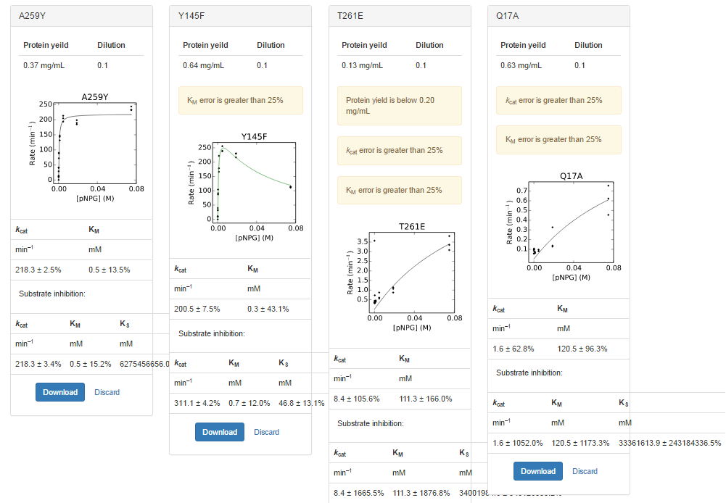
plate | sample | yield | dilution | Well | Max V [420] | kobs | s
12 | A259Y | 0.374 | 0.1 | A1 | 1.0084643E-01 | 2.44E+02 | 0.07500 | 2.37E+02 | kcat | KM
12 | A259Y | 0.374 | 0.1 | B1 | 7.8285714E-02 | 1.90E+02 | 0.01875 |  | min–1 | mM
12 | A259Y | 0.374 | 0.1 | C1 | 8.0078571E-02 | 1.94E+02 | 0.00469 |  | 218.3 ± 2.5% | 0.5 ± 13.5%
12 | A259Y | 0.374 | 0.1 | D1 | 5.9353571E-02 | 1.44E+02 | 0.00117
12 | A259Y | 0.374 | 0.1 | E1 | 3.6439286E-02 | 8.83E+01 | 0.00029 |  | Substrate inhibition:
12 | A259Y | 0.374 | 0.1 | F1 | 1.6700000E-02 | 4.05E+01 | 0.00007 |  | kcat | KM | KS
12 | A259Y | 0.374 | 0.1 | G1 | 4.9571429E-03 | 1.20E+01 | 0.00002 |  | min–1 | mM | mM
12 | A259Y | 0.374 | 0.1 | H1 | 6.7857143E-05 | 1.64E-01 | 0.00000 |  | 218.3 ± 3.4% | 0.5 ± 15.2% | 6275456656.0 ± 478773339.4%
12 | A259Y | 0.374 | 0.1 | A2 | 9.5914286E-02 | 2.33E+02 | 0.07500
12 | A259Y | 0.374 | 0.1 | B2 | 8.2192857E-02 | 1.99E+02 | 0.01875
12 | A259Y | 0.374 | 0.1 | C2 | 8.4692857E-02 | 2.05E+02 | 0.00469
12 | A259Y | 0.374 | 0.1 | D2 | 6.1096429E-02 | 1.48E+02 | 0.00117
12 | A259Y | 0.374 | 0.1 | E2 | 3.7403571E-02 | 9.07E+01 | 0.00029
12 | A259Y | 0.374 | 0.1 | F2 | 1.7135714E-02 | 4.15E+01 | 0.00007
12 | A259Y | 0.374 | 0.1 | G2 | 5.8678571E-03 | 1.42E+01 | 0.00002
12 | A259Y | 0.374 | 0.1 | H2 | -5.0000000E-05 | -1.21E-01 | 0.00000
12 | A259Y | 0.374 | 0.1 | A3 | 9.6432143E-02 | 2.34E+02 | 0.07500
12 | A259Y | 0.374 | 0.1 | B3 | 7.6396429E-02 | 1.85E+02 | 0.01875
12 | A259Y | 0.374 | 0.1 | C3 | 8.8200000E-02 | 2.14E+02 | 0.00469
12 | A259Y | 0.374 | 0.1 | D3 | 5.4471429E-02 | 1.32E+02 | 0.00117
12 | A259Y | 0.374 | 0.1 | E3 | 2.9857143E-02 | 7.24E+01 | 0.00029
12 | A259Y | 0.374 | 0.1 | F3 | 1.1964286E-02 | 2.90E+01 | 0.00007
12 | A259Y | 0.374 | 0.1 | G3 | 4.0392857E-03 | 9.79E+00 | 0.00002
12 | A259Y | 0.374 | 0.1 | H3 | -4.2857143E-05 | -1.04E-01 | 0.00000
12 | Y145F | 0.6405 | 0.1 | A4 | 7.9600000E-02 | 1.13E+02 | 0.07500 | 1.13E+02 | kcat | KM
12 | Y145F | 0.6405 | 0.1 | B4 | 1.6299643E-01 | 2.31E+02 | 0.01875 |  | min–1 | mM
12 | Y145F | 0.6405 | 0.1 | C4 | 1.8142143E-01 | 2.57E+02 | 0.00469 |  | 200.5 ± 7.5% | 0.3 ± 43.1%
12 | Y145F | 0.6405 | 0.1 | D4 | 1.1796429E-01 | 1.67E+02 | 0.00117
12 | Y145F | 0.6405 | 0.1 | E4 | 6.4975000E-02 | 9.20E+01 | 0.00029 |  | Substrate inhibition:
12 | Y145F | 0.6405 | 0.1 | F4 | 2.2903571E-02 | 3.24E+01 | 0.00007 |  | kcat | KM | KS
12 | Y145F | 0.6405 | 0.1 | G4 | 7.2892857E-03 | 1.03E+01 | 0.00002 |  | min–1 | mM | mM
12 | Y145F | 0.6405 | 0.1 | H4 | 5.0000000E-05 | 7.08E-02 | 0.00000 |  | 311.1 ± 4.2% | 0.7 ± 12.0% | 46.8 ± 13.1%
12 | Y145F | 0.6405 | 0.1 | A5 | 8.1117857E-02 | 1.15E+02 | 0.07500
12 | Y145F | 0.6405 | 0.1 | B5 | 1.6333929E-01 | 2.31E+02 | 0.01875
12 | Y145F | 0.6405 | 0.1 | C5 | 1.6960357E-01 | 2.40E+02 | 0.00469
12 | Y145F | 0.6405 | 0.1 | D5 | 1.5735714E-01 | 2.23E+02 | 0.00117
12 | Y145F | 0.6405 | 0.1 | E5 | 7.3971429E-02 | 1.05E+02 | 0.00029
12 | Y145F | 0.6405 | 0.1 | F5 | 2.8260714E-02 | 4.00E+01 | 0.00007
12 | Y145F | 0.6405 | 0.1 | G5 | 8.0285714E-03 | 1.14E+01 | 0.00002
12 | Y145F | 0.6405 | 0.1 | H5 | -2.2642857E-03 | -3.21E+00 | 0.00000
12 | Y145F | 0.6405 | 0.1 | A6 | 7.8832143E-02 | 1.12E+02 | 0.07500
12 | Y145F | 0.6405 | 0.1 | B6 | 1.5366786E-01 | 2.18E+02 | 0.01875
12 | Y145F | 0.6405 | 0.1 | C6 | 1.6897857E-01 | 2.39E+02 | 0.00469
12 | Y145F | 0.6405 | 0.1 | D6 | 1.2665714E-01 | 1.79E+02 | 0.00117
12 | Y145F | 0.6405 | 0.1 | E6 | 6.1792857E-02 | 8.75E+01 | 0.00029
12 | Y145F | 0.6405 | 0.1 | F6 | 2.2885714E-02 | 3.24E+01 | 0.00007
12 | Y145F | 0.6405 | 0.1 | G6 | 6.4392857E-03 | 9.11E+00 | 0.00002
12 | Y145F | 0.6405 | 0.1 | H6 | -3.2142857E-05 | -4.55E-02 | 0.00000
12 | T261E | 0.133 | 0.1 | A7 | 4.9285714E-04 | 3.36E+00 | 0.07500 | 3.42E+00 | kcat | KM
12 | T261E | 0.133 | 0.1 | B7 | 1.6785714E-04 | 1.14E+00 | 0.01875 |  | min–1 | mM
12 | T261E | 0.133 | 0.1 | C7 | 8.9285714E-05 | 6.09E-01 | 0.00469 |  | 8.4 ± 105.6% | 111.3 ± 166.0%
12 | T261E | 0.133 | 0.1 | D7 | 6.0714286E-05 | 4.14E-01 | 0.00117
12 | T261E | 0.133 | 0.1 | E7 | 4.6428571E-05 | 3.16E-01 | 0.00029 |  | Substrate inhibition:
12 | T261E | 0.133 | 0.1 | F7 | 6.4285714E-05 | 4.38E-01 | 0.00007 |  | kcat | KM | KS
12 | T261E | 0.133 | 0.1 | G7 | -4.6428571E-05 | -3.16E-01 | 0.00002 |  | min–1 | mM | mM
12 | T261E | 0.133 | 0.1 | H7 | -4.6428571E-05 | -3.16E-01 | 0.00000 |  | 8.4 ± 1665.5% | 111.3 ± 1876.8% | 34001984.6 ± 348126555.2%
12 | T261E | 0.133 | 0.1 | A8 | 4.5357143E-04 | 3.09E+00 | 0.07500
12 | T261E | 0.133 | 0.1 | B8 | 1.5714286E-04 | 1.07E+00 | 0.01875
12 | T261E | 0.133 | 0.1 | C8 | 8.2142857E-05 | 5.60E-01 | 0.00469
12 | T261E | 0.133 | 0.1 | D8 | 5.7142857E-05 | 3.90E-01 | 0.00117
12 | T261E | 0.133 | 0.1 | E8 | 1.0714286E-04 | 7.30E-01 | 0.00029
12 | T261E | 0.133 | 0.1 | F8 | 5.3571429E-05 | 3.65E-01 | 0.00007
12 | T261E | 0.133 | 0.1 | G8 | 5.2500000E-04 | 3.58E+00 | 0.00002
12 | T261E | 0.133 | 0.1 | H8 | -9.2857143E-05 | -6.33E-01 | 0.00000
12 | T261E | 0.133 | 0.1 | A9 | 5.6071429E-04 | 3.82E+00 | 0.07500
12 | T261E | 0.133 | 0.1 | B9 | 1.2857143E-04 | 8.76E-01 | 0.01875
12 | T261E | 0.133 | 0.1 | C9 | 1.2857143E-04 | 8.76E-01 | 0.00469
12 | T261E | 0.133 | 0.1 | D9 | 6.7857143E-05 | 4.63E-01 | 0.00117
12 | T261E | 0.133 | 0.1 | E9 | 5.0000000E-05 | 3.41E-01 | 0.00029
12 | T261E | 0.133 | 0.1 | F9 | 5.0000000E-05 | 3.41E-01 | 0.00007
12 | T261E | 0.133 | 0.1 | G9 | 5.0000000E-05 | 3.41E-01 | 0.00002
12 | T261E | 0.133 | 0.1 | H9 | -2.8571429E-05 | -1.95E-01 | 0.00000
12 | Q17A | 0.632 | 0.1 | A10 | 3.1785714E-04 | 4.56E-01 | 0.07500 | 6.13E-01 | kcat | KM
12 | Q17A | 0.632 | 0.1 | B10 | 9.6428571E-05 | 1.38E-01 | 0.01875 |  | min–1 | mM
12 | Q17A | 0.632 | 0.1 | C10 | 6.7857143E-05 | 9.73E-02 | 0.00469 |  | 1.6 ± 62.8% | 120.5 ± 96.3%
12 | Q17A | 0.632 | 0.1 | D10 | -6.0000000E-04 | -8.61E-01 | 0.00117
12 | Q17A | 0.632 | 0.1 | E10 | 7.1428571E-05 | 1.02E-01 | 0.00029 |  | Substrate inhibition:
12 | Q17A | 0.632 | 0.1 | F10 | -3.9285714E-05 | -5.64E-02 | 0.00007 |  | kcat | KM | KS
12 | Q17A | 0.632 | 0.1 | G10 | 3.9285714E-05 | 5.64E-02 | 0.00002 |  | min–1 | mM | mM
12 | Q17A | 0.632 | 0.1 | H10 | -6.0714286E-05 | -8.71E-02 | 0.00000 |  | 1.6 ± 1052.0% | 120.5 ± 1173.3% | 33361613.9 ± 243184336.5%
12 | Q17A | 0.632 | 0.1 | A11 | 4.3571429E-04 | 6.25E-01 | 0.07500
12 | Q17A | 0.632 | 0.1 | B11 | 8.9285714E-05 | 1.28E-01 | 0.01875
12 | Q17A | 0.632 | 0.1 | C11 | 5.7142857E-05 | 8.20E-02 | 0.00469
12 | Q17A | 0.632 | 0.1 | D11 | 5.0000000E-05 | 7.17E-02 | 0.00117
12 | Q17A | 0.632 | 0.1 | E11 | -4.6428571E-05 | -6.66E-02 | 0.00029
12 | Q17A | 0.632 | 0.1 | F11 | 6.7857143E-05 | 9.73E-02 | 0.00007
12 | Q17A | 0.632 | 0.1 | G11 | 3.9285714E-05 | 5.64E-02 | 0.00002
12 | Q17A | 0.632 | 0.1 | H11 | -3.5714286E-05 | -5.12E-02 | 0.00000
12 | Q17A | 0.632 | 0.1 | A12 | 5.2857143E-04 | 7.58E-01 | 0.07500
12 | Q17A | 0.632 | 0.1 | B12 | 2.2857143E-04 | 3.28E-01 | 0.01875
12 | Q17A | 0.632 | 0.1 | C12 | 5.7142857E-05 | 8.20E-02 | 0.00469
12 | Q17A | 0.632 | 0.1 | D12 | 4.2857143E-05 | 6.15E-02 | 0.00117
12 | Q17A | 0.632 | 0.1 | E12 | 5.3571429E-05 | 7.69E-02 | 0.00029
12 | Q17A | 0.632 | 0.1 | F12 | 7.5000000E-05 | 1.08E-01 | 0.00007
12 | Q17A | 0.632 | 0.1 | G12 | -5.7142857E-05 | -8.20E-02 | 0.00002
12 | Q17A | 0.632 | 0.1 | H12 | 6.4285714E-05 | 9.22E-02 | 0.00000

139 Mut Plate 3
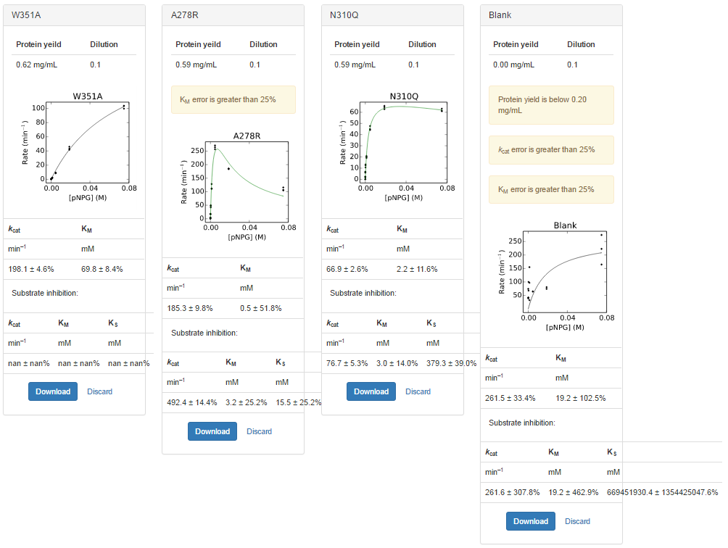
plate | sample | yield | dilution | Well | Max V [420] | kobs | s
13 | W351A | 0.6205 | 0.1 | A1 | 7.1257143E-02 | 1.04E+02 | 0.07500 | 1.03E+02 | kcat | KM
13 | W351A | 0.6205 | 0.1 | B1 | 3.1607143E-02 | 4.62E+01 | 0.01875 |  | min–1 | mM
13 | W351A | 0.6205 | 0.1 | C1 | 5.9142857E-03 | 8.64E+00 | 0.00469 |  | 198.1 ± 4.6% | 69.8 ± 8.4%
13 | W351A | 0.6205 | 0.1 | D1 | 1.5000000E-03 | 2.19E+00 | 0.00117
13 | W351A | 0.6205 | 0.1 | E1 | 4.3214286E-04 | 6.31E-01 | 0.00029 |  | Substrate inhibition:
13 | W351A | 0.6205 | 0.1 | F1 | 1.2500000E-04 | 1.83E-01 | 0.00007 |  | kcat | KM | KS
13 | W351A | 0.6205 | 0.1 | G1 | 7.8571429E-05 | 1.15E-01 | 0.00002 |  | min–1 | mM | mM
13 | W351A | 0.6205 | 0.1 | H1 | -5.3571429E-05 | -7.83E-02 | 0.00000 |  | nan ± nan% | nan ± nan% | nan ± nan%
13 | W351A | 0.6205 | 0.1 | A2 | 6.8521429E-02 | 1.00E+02 | 0.07500
13 | W351A | 0.6205 | 0.1 | B2 | 2.9817857E-02 | 4.36E+01 | 0.01875
13 | W351A | 0.6205 | 0.1 | C2 | 6.5035714E-03 | 9.50E+00 | 0.00469
13 | W351A | 0.6205 | 0.1 | D2 | 1.7571429E-03 | 2.57E+00 | 0.00117
13 | W351A | 0.6205 | 0.1 | E2 | 5.6071429E-04 | 8.19E-01 | 0.00029
13 | W351A | 0.6205 | 0.1 | F2 | 1.8214286E-04 | 2.66E-01 | 0.00007
13 | W351A | 0.6205 | 0.1 | G2 | 7.1428571E-05 | 1.04E-01 | 0.00002
13 | W351A | 0.6205 | 0.1 | H2 | 7.5000000E-05 | 1.10E-01 | 0.00000
13 | W351A | 0.6205 | 0.1 | A3 | 7.1203571E-02 | 1.04E+02 | 0.07500
13 | W351A | 0.6205 | 0.1 | B3 | 2.8614286E-02 | 4.18E+01 | 0.01875
13 | W351A | 0.6205 | 0.1 | C3 | 5.9392857E-03 | 8.68E+00 | 0.00469
13 | W351A | 0.6205 | 0.1 | D3 | 1.2785714E-03 | 1.87E+00 | 0.00117
13 | W351A | 0.6205 | 0.1 | E3 | 4.7857143E-04 | 6.99E-01 | 0.00029
13 | W351A | 0.6205 | 0.1 | F3 | 2.2142857E-04 | 3.24E-01 | 0.00007
13 | W351A | 0.6205 | 0.1 | G3 | 9.2857143E-05 | 1.36E-01 | 0.00002
13 | W351A | 0.6205 | 0.1 | H3 | -4.2857143E-05 | -6.26E-02 | 0.00000
13 | A278R | 0.587 | 0.1 | A4 | 6.9271429E-02 | 1.07E+02 | 0.07500 | 1.09E+02 | kcat | KM
13 | A278R | 0.587 | 0.1 | B4 | 1.1917500E-01 | 1.84E+02 | 0.01875 |  | min–1 | mM
13 | A278R | 0.587 | 0.1 | C4 | 1.7599286E-01 | 2.72E+02 | 0.00469 |  | 185.3 ± 9.8% | 0.5 ± 51.8%
13 | A278R | 0.587 | 0.1 | D4 | 7.1742857E-02 | 1.11E+02 | 0.00117
13 | A278R | 0.587 | 0.1 | E4 | 3.2271429E-02 | 4.98E+01 | 0.00029 |  | Substrate inhibition:
13 | A278R | 0.587 | 0.1 | F4 | 1.1739286E-02 | 1.81E+01 | 0.00007 |  | kcat | KM | KS
13 | A278R | 0.587 | 0.1 | G4 | 2.7678571E-03 | 4.28E+00 | 0.00002 |  | min–1 | mM | mM
13 | A278R | 0.587 | 0.1 | H4 | -3.2142857E-05 | -4.96E-02 | 0.00000 |  | 492.4 ± 14.4% | 3.2 ± 25.2% | 15.5 ± 25.2%
13 | A278R | 0.587 | 0.1 | A5 | 7.5139286E-02 | 1.16E+02 | 0.07500
13 | A278R | 0.587 | 0.1 | B5 | 1.2022857E-01 | 1.86E+02 | 0.01875
13 | A278R | 0.587 | 0.1 | C5 | 1.7148214E-01 | 2.65E+02 | 0.00469
13 | A278R | 0.587 | 0.1 | D5 | 8.3292857E-02 | 1.29E+02 | 0.00117
13 | A278R | 0.587 | 0.1 | E5 | 3.0882143E-02 | 4.77E+01 | 0.00029
13 | A278R | 0.587 | 0.1 | F5 | 1.1160714E-02 | 1.72E+01 | 0.00007
13 | A278R | 0.587 | 0.1 | G5 | 2.5607143E-03 | 3.96E+00 | 0.00002
13 | A278R | 0.587 | 0.1 | H5 | 3.9285714E-05 | 6.07E-02 | 0.00000
13 | A278R | 0.587 | 0.1 | A6 | 6.7910714E-02 | 1.05E+02 | 0.07500
13 | A278R | 0.587 | 0.1 | B6 | 1.2042857E-01 | 1.86E+02 | 0.01875
13 | A278R | 0.587 | 0.1 | C6 | 1.6683929E-01 | 2.58E+02 | 0.00469
13 | A278R | 0.587 | 0.1 | D6 | 7.2639286E-02 | 1.12E+02 | 0.00117
13 | A278R | 0.587 | 0.1 | E6 | 2.7317857E-02 | 4.22E+01 | 0.00029
13 | A278R | 0.587 | 0.1 | F6 | 1.0785714E-02 | 1.67E+01 | 0.00007
13 | A278R | 0.587 | 0.1 | G6 | 2.6178571E-03 | 4.04E+00 | 0.00002
13 | A278R | 0.587 | 0.1 | H6 | 3.7500000E-04 | 5.79E-01 | 0.00000
13 | N310Q | 0.593 | 0.1 | A7 | 4.1425000E-02 | 6.33E+01 | 0.07500 | 6.20E+01 | kcat | KM
13 | N310Q | 0.593 | 0.1 | B7 | 4.2335714E-02 | 6.47E+01 | 0.01875 |  | min–1 | mM
13 | N310Q | 0.593 | 0.1 | C7 | 2.8967857E-02 | 4.43E+01 | 0.00469 |  | 66.9 ± 2.6% | 2.2 ± 11.6%
13 | N310Q | 0.593 | 0.1 | D7 | 1.2539286E-02 | 1.92E+01 | 0.00117
13 | N310Q | 0.593 | 0.1 | E7 | 8.7357143E-03 | 1.34E+01 | 0.00029 |  | Substrate inhibition:
13 | N310Q | 0.593 | 0.1 | F7 | 4.4714286E-03 | 6.84E+00 | 0.00007 |  | kcat | KM | KS
13 | N310Q | 0.593 | 0.1 | G7 | 1.5642857E-03 | 2.39E+00 | 0.00002 |  | min–1 | mM | mM
13 | N310Q | 0.593 | 0.1 | H7 | 2.8571429E-05 | 4.37E-02 | 0.00000 |  | 76.7 ± 5.3% | 3.0 ± 14.0% | 379.3 ± 39.0%
13 | N310Q | 0.593 | 0.1 | A8 | 3.9996429E-02 | 6.12E+01 | 0.07500
13 | N310Q | 0.593 | 0.1 | B8 | 4.3128571E-02 | 6.59E+01 | 0.01875
13 | N310Q | 0.593 | 0.1 | C8 | 3.1253571E-02 | 4.78E+01 | 0.00469
13 | N310Q | 0.593 | 0.1 | D8 | 1.3157143E-02 | 2.01E+01 | 0.00117
13 | N310Q | 0.593 | 0.1 | E8 | 6.9714286E-03 | 1.07E+01 | 0.00029
13 | N310Q | 0.593 | 0.1 | F8 | 3.9464286E-03 | 6.03E+00 | 0.00007
13 | N310Q | 0.593 | 0.1 | G8 | 1.0714286E-03 | 1.64E+00 | 0.00002
13 | N310Q | 0.593 | 0.1 | H8 | 2.8571429E-05 | 4.37E-02 | 0.00000
13 | N310Q | 0.593 | 0.1 | A9 | 4.0167857E-02 | 6.14E+01 | 0.07500
13 | N310Q | 0.593 | 0.1 | B9 | 4.1182143E-02 | 6.30E+01 | 0.01875
13 | N310Q | 0.593 | 0.1 | C9 | 2.9460714E-02 | 4.50E+01 | 0.00469
13 | N310Q | 0.593 | 0.1 | D9 | 1.3675000E-02 | 2.09E+01 | 0.00117
13 | N310Q | 0.593 | 0.1 | E9 | 8.1892857E-03 | 1.25E+01 | 0.00029
13 | N310Q | 0.593 | 0.1 | F9 | 4.0821429E-03 | 6.24E+00 | 0.00007
13 | N310Q | 0.593 | 0.1 | G9 | 1.4678571E-03 | 2.24E+00 | 0.00002
13 | N310Q | 0.593 | 0.1 | H9 | -2.8571429E-05 | -4.37E-02 | 0.00000
13 | Blank | 0 | 0.1 | A10 | 3.0357143E-04 | #DIV/0! | 0.07500 | #DIV/0!
13 | Blank | 0 | 0.1 | B10 | -1.5714286E-04 | #DIV/0! | 0.01875
13 | Blank | 0 | 0.1 | C10 | 7.1428571E-05 | #DIV/0! | 0.00469
13 | Blank | 0 | 0.1 | D10 | 1.0714286E-04 | #DIV/0! | 0.00117
13 | Blank | 0 | 0.1 | E10 | -4.2857143E-05 | #DIV/0! | 0.00029
13 | Blank | 0 | 0.1 | F10 | -5.0000000E-05 | #DIV/0! | 0.00007
13 | Blank | 0 | 0.1 | G10 | -2.6428571E-04 | #DIV/0! | 0.00002
13 | Blank | 0 | 0.1 | H10 | 4.2857143E-05 | #DIV/0! | 0.00000
13 | Blank | 0 | 0.1 | A11 | 1.8214286E-04 | #DIV/0! | 0.07500
13 | Blank | 0 | 0.1 | B11 | 8.9285714E-05 | #DIV/0! | 0.01875
13 | Blank | 0 | 0.1 | C11 | 7.1428571E-05 | #DIV/0! | 0.00469
13 | Blank | 0 | 0.1 | D11 | 3.5714286E-05 | #DIV/0! | 0.00117
13 | Blank | 0 | 0.1 | E11 | 7.5000000E-05 | #DIV/0! | 0.00029
13 | Blank | 0 | 0.1 | F11 | -4.6428571E-05 | #DIV/0! | 0.00007
13 | Blank | 0 | 0.1 | G11 | -3.9285714E-05 | #DIV/0! | 0.00002
13 | Blank | 0 | 0.1 | H11 | 4.6428571E-05 | #DIV/0! | 0.00000
13 | Blank | 0 | 0.1 | A12 | 2.4642857E-04 | #DIV/0! | 0.07500
13 | Blank | 0 | 0.1 | B12 | 8.2142857E-05 | #DIV/0! | 0.01875
13 | Blank | 0 | 0.1 | C12 | -7.1428571E-05 | #DIV/0! | 0.00469
13 | Blank | 0 | 0.1 | D12 | 1.7142857E-04 | #DIV/0! | 0.00117
13 | Blank | 0 | 0.1 | E12 | 1.1071429E-04 | #DIV/0! | 0.00029
13 | Blank | 0 | 0.1 | F12 | 4.6428571E-05 | #DIV/0! | 0.00007
13 | Blank | 0 | 0.1 | G12 | -6.7857143E-05 | #DIV/0! | 0.00002
13 | Blank | 0 | 0.1 | H12 | 8.2142857E-05 | #DIV/0! | 0.00000

4 Mut Plate 1 R1 Initial Burst
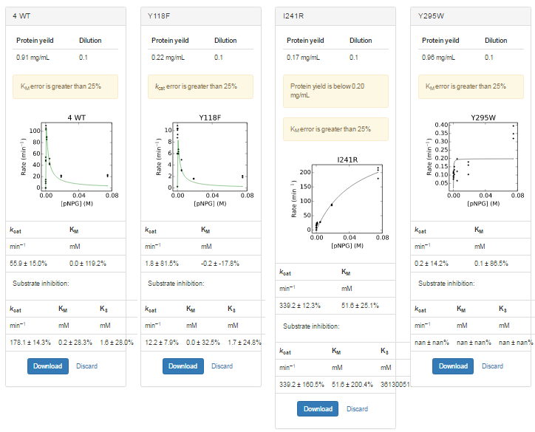
 | sample | yield | dilution | Well | Max V [420] | kobs | s
17 | 4 WT | 0.9055 | 0.1 | A1 | 2.0380000E-02 | 2.04E+01 | 0.07500 | 2.21E+01 | kcat | KM
17 | 4 WT | 0.9055 | 0.1 | B1 | 2.2050000E-02 | 2.21E+01 | 0.01875 |  | min–1 | mM
17 | 4 WT | 0.9055 | 0.1 | C1 | 5.1980000E-02 | 5.20E+01 | 0.00469 |  | 55.9 ± 15.0% | 0.0 ± 119.2%
17 | 4 WT | 0.9055 | 0.1 | D1 | 8.5770000E-02 | 8.59E+01 | 0.00117
17 | 4 WT | 0.9055 | 0.1 | E1 | 1.0567000E-01 | 1.06E+02 | 0.00029 |  | Substrate inhibition:
17 | 4 WT | 0.9055 | 0.1 | F1 | 4.9150000E-02 | 4.92E+01 | 0.00007 |  | kcat | KM | KS
17 | 4 WT | 0.9055 | 0.1 | G1 | 1.1520000E-02 | 1.15E+01 | 0.00002 |  | min–1 | mM | mM
17 | 4 WT | 0.9055 | 0.1 | H1 | 7.0000000E-05 | 7.01E-02 | 0.00000 |  | 178.1 ± 14.3% | 0.2 ± 28.3% | 1.6 ± 28.0%
17 | 4 WT | 0.9055 | 0.1 | A2 | 2.2750000E-02 | 2.28E+01 | 0.07500
17 | 4 WT | 0.9055 | 0.1 | B2 | 1.9380000E-02 | 1.94E+01 | 0.01875
17 | 4 WT | 0.9055 | 0.1 | C2 | 4.1610000E-02 | 4.17E+01 | 0.00469
17 | 4 WT | 0.9055 | 0.1 | D2 | 9.0210000E-02 | 9.03E+01 | 0.00117
17 | 4 WT | 0.9055 | 0.1 | E2 | 1.0999000E-01 | 1.10E+02 | 0.00029
17 | 4 WT | 0.9055 | 0.1 | F2 | 4.7610000E-02 | 4.77E+01 | 0.00007
17 | 4 WT | 0.9055 | 0.1 | G2 | 8.2300000E-03 | 8.24E+00 | 0.00002
17 | 4 WT | 0.9055 | 0.1 | H2 | -1.0000000E-04 | -1.00E-01 | 0.00000
17 | 4 WT | 0.9055 | 0.1 | A3 | 2.2980000E-02 | 2.30E+01 | 0.07500
17 | 4 WT | 0.9055 | 0.1 | B3 | 2.1910000E-02 | 2.19E+01 | 0.01875
17 | 4 WT | 0.9055 | 0.1 | C3 | 4.3590000E-02 | 4.36E+01 | 0.00469
17 | 4 WT | 0.9055 | 0.1 | D3 | 8.9490000E-02 | 8.96E+01 | 0.00117
17 | 4 WT | 0.9055 | 0.1 | E3 | 1.0295000E-01 | 1.03E+02 | 0.00029
17 | 4 WT | 0.9055 | 0.1 | F3 | 5.4330000E-02 | 5.44E+01 | 0.00007
17 | 4 WT | 0.9055 | 0.1 | G3 | 1.4850000E-02 | 1.49E+01 | 0.00002
17 | 4 WT | 0.9055 | 0.1 | H3 | 6.0000000E-05 | 6.01E-02 | 0.00000
17 | Y118F | 0.224 | 0.1 | A4 | 5.2000000E-04 | 2.10E+00 | 0.07500 | 2.01E+00 | kcat | KM
17 | Y118F | 0.224 | 0.1 | B4 | 4.1000000E-04 | 1.66E+00 | 0.01875 |  | min–1 | mM
17 | Y118F | 0.224 | 0.1 | C4 | 1.2200000E-03 | 4.94E+00 | 0.00469 |  | 1.8 ± 81.5% | -0.2 ± -17.8%
17 | Y118F | 0.224 | 0.1 | D4 | 1.5700000E-03 | 6.35E+00 | 0.00117
17 | Y118F | 0.224 | 0.1 | E4 | 2.5600000E-03 | 1.04E+01 | 0.00029 |  | Substrate inhibition:
17 | Y118F | 0.224 | 0.1 | F4 | 2.5700000E-03 | 1.04E+01 | 0.00007 |  | kcat | KM | KS
17 | Y118F | 0.224 | 0.1 | G4 | 1.4900000E-03 | 6.03E+00 | 0.00002 |  | min–1 | mM | mM
17 | Y118F | 0.224 | 0.1 | H4 | 6.0000000E-05 | 2.43E-01 | 0.00000 |  | 12.2 ± 7.9% | 0.0 ± 32.5% | 1.7 ± 24.8%
17 | Y118F | 0.224 | 0.1 | A5 | 4.5000000E-04 | 1.82E+00 | 0.07500
17 | Y118F | 0.224 | 0.1 | B5 | 3.9000000E-04 | 1.58E+00 | 0.01875
17 | Y118F | 0.224 | 0.1 | C5 | 7.5000000E-04 | 3.04E+00 | 0.00469
17 | Y118F | 0.224 | 0.1 | D5 | 1.4800000E-03 | 5.99E+00 | 0.00117
17 | Y118F | 0.224 | 0.1 | E5 | 2.3100000E-03 | 9.35E+00 | 0.00029
17 | Y118F | 0.224 | 0.1 | F5 | 2.6900000E-03 | 1.09E+01 | 0.00007
17 | Y118F | 0.224 | 0.1 | G5 | 2.1700000E-03 | 8.78E+00 | 0.00002
17 | Y118F | 0.224 | 0.1 | H5 | -1.0000000E-04 | -4.05E-01 | 0.00000
17 | Y118F | 0.224 | 0.1 | A6 | 5.2000000E-04 | 2.10E+00 | 0.07500
17 | Y118F | 0.224 | 0.1 | B6 | 4.0000000E-04 | 1.62E+00 | 0.01875
17 | Y118F | 0.224 | 0.1 | C6 | 7.8000000E-04 | 3.16E+00 | 0.00469
17 | Y118F | 0.224 | 0.1 | D6 | 1.6700000E-03 | 6.76E+00 | 0.00117
17 | Y118F | 0.224 | 0.1 | E6 | 2.5700000E-03 | 1.04E+01 | 0.00029
17 | Y118F | 0.224 | 0.1 | F6 | 2.5000000E-03 | 1.01E+01 | 0.00007
17 | Y118F | 0.224 | 0.1 | G6 | 1.4800000E-03 | 5.99E+00 | 0.00002
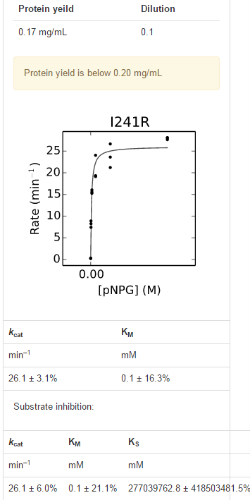
17 | Y118F | 0.224 | 0.1 | H6 | -5.0000000E-05 | -2.02E-01 | 0.00000
17 | I241R | 0.1725 | 0.1 | A7 | 3.9940000E-02 | 2.10E+02 | 0.07500 | 2.03E+02 | kcat | KM
17 | I241R | 0.1725 | 0.1 | B7 | 1.7160000E-02 | 9.02E+01 | 0.01875 |  | min–1 | mM
17 | I241R | 0.1725 | 0.1 | C7 | 5.3600000E-03 | 2.82E+01 | 0.00469 |  | 339.2 ± 12.3% | 51.6 ± 25.1%
17 | I241R | 0.1725 | 0.1 | D7 | 5.1000000E-03 | 2.68E+01 | 0.00117
17 | I241R | 0.1725 | 0.1 | E7 | 3.7000000E-03 | 1.94E+01 | 0.00029 |  | Substrate inhibition:
17 | I241R | 0.1725 | 0.1 | F7 | 3.0700000E-03 | 1.61E+01 | 0.00007 |  | kcat | KM | KS
17 | I241R | 0.1725 | 0.1 | G7 | 1.4200000E-03 | 7.46E+00 | 0.00002 |  | min–1 | mM | mM
17 | I241R | 0.1725 | 0.1 | H7 | -6.0000000E-05 | -3.15E-01 | 0.00000 |  | 339.2 ± 160.5% | 51.6 ± 200.4% | 361300515.7 ± 368897084.6%
17 | I241R | 0.1725 | 0.1 | A8 | 3.4340000E-02 | 1.80E+02 | 0.07500
17 | I241R | 0.1725 | 0.1 | B8 | 1.6340000E-02 | 8.59E+01 | 0.01875
17 | I241R | 0.1725 | 0.1 | C8 | 5.3800000E-03 | 2.83E+01 | 0.00469
17 | I241R | 0.1725 | 0.1 | D8 | 4.0600000E-03 | 2.13E+01 | 0.00117
17 | I241R | 0.1725 | 0.1 | E8 | 3.6600000E-03 | 1.92E+01 | 0.00029
17 | I241R | 0.1725 | 0.1 | F8 | 2.9200000E-03 | 1.53E+01 | 0.00007
17 | I241R | 0.1725 | 0.1 | G8 | 1.5800000E-03 | 8.30E+00 | 0.00002
17 | I241R | 0.1725 | 0.1 | H8 | 6.0000000E-05 | 3.15E-01 | 0.00000
17 | I241R | 0.1725 | 0.1 | A9 | 4.1460000E-02 | 2.18E+02 | 0.07500
17 | I241R | 0.1725 | 0.1 | B9 | 1.6630000E-02 | 8.74E+01 | 0.01875
17 | I241R | 0.1725 | 0.1 | C9 | 5.2900000E-03 | 2.78E+01 | 0.00469
17 | I241R | 0.1725 | 0.1 | D9 | 4.5200000E-03 | 2.38E+01 | 0.00117
17 | I241R | 0.1725 | 0.1 | E9 | 4.6000000E-03 | 2.42E+01 | 0.00029
17 | I241R | 0.1725 | 0.1 | F9 | 2.9800000E-03 | 1.57E+01 | 0.00007
17 | I241R | 0.1725 | 0.1 | G9 | 1.7000000E-03 | 8.94E+00 | 0.00002
17 | I241R | 0.1725 | 0.1 | H9 | 4.0000000E-05 | 2.10E-01 | 0.00000
17 | Y295W | 0.9595 | 0.1 | A10 | 4.2000000E-04 | 3.97E-01 | 0.07500 | 3.56E-01 | kcat | KM
17 | Y295W | 0.9595 | 0.1 | B10 | 1.1000000E-04 | 1.04E-01 | 0.01875 |  | min–1 | mM
17 | Y295W | 0.9595 | 0.1 | C10 | 2.1000000E-04 | 1.98E-01 | 0.00469 |  | 0.2 ± 14.2% | 0.1 ± 86.5%
17 | Y295W | 0.9595 | 0.1 | D10 | 1.1000000E-04 | 1.04E-01 | 0.00117
17 | Y295W | 0.9595 | 0.1 | E10 | 1.0000000E-04 | 9.45E-02 | 0.00029 |  | Substrate inhibition:
17 | Y295W | 0.9595 | 0.1 | F10 | 1.3000000E-04 | 1.23E-01 | 0.00007 |  | kcat | KM | KS
17 | Y295W | 0.9595 | 0.1 | G10 | 8.0000000E-05 | 7.56E-02 | 0.00002 |  | min–1 | mM | mM
17 | Y295W | 0.9595 | 0.1 | H10 | -1.1000000E-04 | -1.04E-01 | 0.00000 |  | nan ± nan% | nan ± nan% | nan ± nan%
17 | Y295W | 0.9595 | 0.1 | A11 | 3.4000000E-04 | 3.21E-01 | 0.07500
17 | Y295W | 0.9595 | 0.1 | B11 | 1.9000000E-04 | 1.80E-01 | 0.01875
17 | Y295W | 0.9595 | 0.1 | C11 | 1.3000000E-04 | 1.23E-01 | 0.00469
17 | Y295W | 0.9595 | 0.1 | D11 | 1.6000000E-04 | 1.51E-01 | 0.00117
17 | Y295W | 0.9595 | 0.1 | E11 | 9.0000000E-05 | 8.50E-02 | 0.00029
17 | Y295W | 0.9595 | 0.1 | F11 | 1.2000000E-04 | 1.13E-01 | 0.00007
17 | Y295W | 0.9595 | 0.1 | G11 | -1.1000000E-04 | -1.04E-01 | 0.00002
17 | Y295W | 0.9595 | 0.1 | H11 | -1.0000000E-04 | -9.45E-02 | 0.00000
17 | Y295W | 0.9595 | 0.1 | A12 | 3.7000000E-04 | 3.50E-01 | 0.07500
17 | Y295W | 0.9595 | 0.1 | B12 | 1.7000000E-04 | 1.61E-01 | 0.01875
17 | Y295W | 0.9595 | 0.1 | C12 | 7.0000000E-05 | 6.61E-02 | 0.00469
17 | Y295W | 0.9595 | 0.1 | D12 | 1.4000000E-04 | 1.32E-01 | 0.00117
17 | Y295W | 0.9595 | 0.1 | E12 | 1.2000000E-04 | 1.13E-01 | 0.00029
17 | Y295W | 0.9595 | 0.1 | F12 | 1.0000000E-04 | 9.45E-02 | 0.00007
17 | Y295W | 0.9595 | 0.1 | G12 | 1.2000000E-04 | 1.13E-01 | 0.00002
17 | Y295W | 0.9595 | 0.1 | H12 | -7.0000000E-05 | -6.61E-02 | 0.00000

4 Mut Plate 1 R1 Secondary Burs
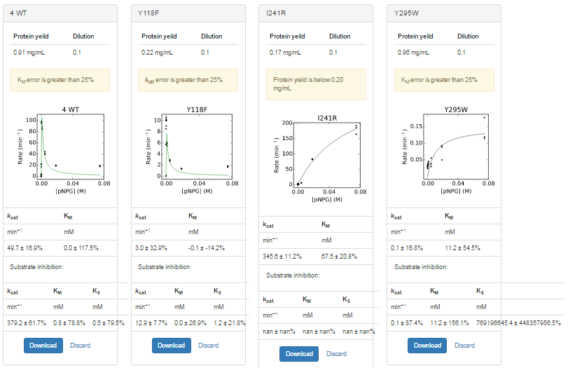
plate | sample | yield | dilution | Well | Max V [420] | kobs | s
17 | 4 WT | 0.9055 | 0.1 | A1 | 1.7543929E-02 | 1.76E+01 | 0.07500 | 1.86E+01 | kcat | KM
17 | 4 WT | 0.9055 | 0.1 | B1 | 1.9692857E-02 | 1.97E+01 | 0.01875 |  | min–1 | mM
17 | 4 WT | 0.9055 | 0.1 | C1 | 4.4105714E-02 | 4.42E+01 | 0.00469 |  | 49.7 ± 16.9% | 0.0 ± 117.5%
17 | 4 WT | 0.9055 | 0.1 | D1 | 8.4592500E-02 | 8.47E+01 | 0.00117
17 | 4 WT | 0.9055 | 0.1 | E1 | 9.7311071E-02 | 9.74E+01 | 0.00029 |  | Substrate inhibition:
17 | 4 WT | 0.9055 | 0.1 | F1 | 2.1255714E-02 | 2.13E+01 | 0.00007 |  | kcat | KM | KS
17 | 4 WT | 0.9055 | 0.1 | G1 | 3.4446429E-03 | 3.45E+00 | 0.00002 |  | min–1 | mM | mM
17 | 4 WT | 0.9055 | 0.1 | H1 | 1.7500000E-05 | 1.75E-02 | 0.00000 |  | 379.2 ± 61.7% | 0.8 ± 78.8% | 0.5 ± 79.5%
17 | 4 WT | 0.9055 | 0.1 | A2 | 1.9410357E-02 | 1.94E+01 | 0.07500
17 | 4 WT | 0.9055 | 0.1 | B2 | 1.8591071E-02 | 1.86E+01 | 0.01875
17 | 4 WT | 0.9055 | 0.1 | C2 | 3.9143571E-02 | 3.92E+01 | 0.00469
17 | 4 WT | 0.9055 | 0.1 | D2 | 8.8691071E-02 | 8.88E+01 | 0.00117
17 | 4 WT | 0.9055 | 0.1 | E2 | 9.4956071E-02 | 9.51E+01 | 0.00029
17 | 4 WT | 0.9055 | 0.1 | F2 | 1.7115357E-02 | 1.71E+01 | 0.00007
17 | 4 WT | 0.9055 | 0.1 | G2 | 2.1521429E-03 | 2.15E+00 | 0.00002
17 | 4 WT | 0.9055 | 0.1 | H2 | 2.8571429E-05 | 2.86E-02 | 0.00000
17 | 4 WT | 0.9055 | 0.1 | A3 | 1.8909643E-02 | 1.89E+01 | 0.07500
17 | 4 WT | 0.9055 | 0.1 | B3 | 1.9545357E-02 | 1.96E+01 | 0.01875
17 | 4 WT | 0.9055 | 0.1 | C3 | 4.0935714E-02 | 4.10E+01 | 0.00469
17 | 4 WT | 0.9055 | 0.1 | D3 | 8.4681786E-02 | 8.48E+01 | 0.00117
17 | 4 WT | 0.9055 | 0.1 | E3 | 9.8398929E-02 | 9.85E+01 | 0.00029
17 | 4 WT | 0.9055 | 0.1 | F3 | 2.1800357E-02 | 2.18E+01 | 0.00007
17 | 4 WT | 0.9055 | 0.1 | G3 | 4.1200000E-03 | 4.13E+00 | 0.00002
17 | 4 WT | 0.9055 | 0.1 | H3 | 1.5000000E-05 | 1.50E-02 | 0.00000
17 | Y118F | 0.224 | 0.1 | A4 | 4.6464286E-04 | 1.88E+00 | 0.07500 | 1.79E+00 | kcat | KM
17 | Y118F | 0.224 | 0.1 | B4 | 3.2142857E-04 | 1.30E+00 | 0.01875 |  | min–1 | mM
17 | Y118F | 0.224 | 0.1 | C4 | 7.3785601E-04 | 2.99E+00 | 0.00469 |  | 3.0 ± 32.9% | -0.1 ± -14.2%
17 | Y118F | 0.224 | 0.1 | D4 | 1.4732143E-03 | 5.96E+00 | 0.00117
17 | Y118F | 0.224 | 0.1 | E4 | 2.5053571E-03 | 1.01E+01 | 0.00029 |  | Substrate inhibition:
17 | Y118F | 0.224 | 0.1 | F4 | 2.5457143E-03 | 1.03E+01 | 0.00007 |  | kcat | KM | KS
17 | Y118F | 0.224 | 0.1 | G4 | 1.4196429E-03 | 5.75E+00 | 0.00002 |  | min–1 | mM | mM
17 | Y118F | 0.224 | 0.1 | H4 | 1.4285714E-05 | 5.78E-02 | 0.00000 |  | 12.9 ± 7.7% | 0.0 ± 26.9% | 1.2 ± 21.8%
17 | Y118F | 0.224 | 0.1 | A5 | 4.0821429E-04 | 1.65E+00 | 0.07500
17 | Y118F | 0.224 | 0.1 | B5 | 3.4285714E-04 | 1.39E+00 | 0.01875
17 | Y118F | 0.224 | 0.1 | C5 | 6.9250000E-04 | 2.80E+00 | 0.00469
17 | Y118F | 0.224 | 0.1 | D5 | 1.3646429E-03 | 5.52E+00 | 0.00117
17 | Y118F | 0.224 | 0.1 | E5 | 2.2392857E-03 | 9.06E+00 | 0.00029
17 | Y118F | 0.224 | 0.1 | F5 | 2.6296429E-03 | 1.06E+01 | 0.00007
17 | Y118F | 0.224 | 0.1 | G5 | 2.1117857E-03 | 8.55E+00 | 0.00002
17 | Y118F | 0.224 | 0.1 | H5 | 2.0714286E-05 | 8.38E-02 | 0.00000
17 | Y118F | 0.224 | 0.1 | A6 | 4.5035714E-04 | 1.82E+00 | 0.07500
17 | Y118F | 0.224 | 0.1 | B6 | 3.5071429E-04 | 1.42E+00 | 0.01875
17 | Y118F | 0.224 | 0.1 | C6 | 6.8178571E-04 | 2.76E+00 | 0.00469
17 | Y118F | 0.224 | 0.1 | D6 | 1.5142857E-03 | 6.13E+00 | 0.00117
17 | Y118F | 0.224 | 0.1 | E6 | 2.4814286E-03 | 1.00E+01 | 0.00029
17 | Y118F | 0.224 | 0.1 | F6 | 2.4760714E-03 | 1.00E+01 | 0.00007
17 | Y118F | 0.224 | 0.1 | G6 | 1.4357143E-03 | 5.81E+00 | 0.00002
17 | Y118F | 0.224 | 0.1 | H6 | -1.1428571E-05 | -4.63E-02 | 0.00000
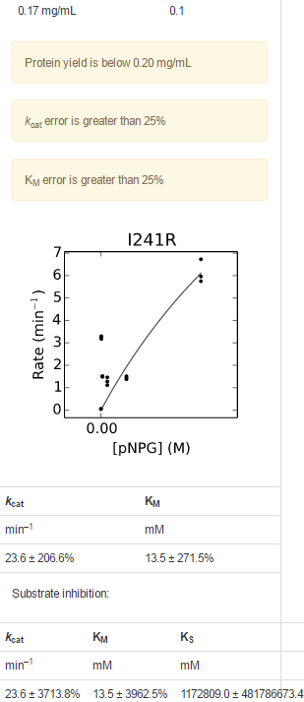
17 | I241R | 0.1725 | 0.1 | A7 | 3.6795714E-02 | 1.93E+02 | 0.07500 | 1.82E+02 | kcat | KM
17 | I241R | 0.1725 | 0.1 | B7 | 1.6171429E-02 | 8.50E+01 | 0.01875 |  | min–1 | mM
17 | I241R | 0.1725 | 0.1 | C7 | 1.2875000E-03 | 6.77E+00 | 0.00469 |  | 345.6 ± 11.2% | 67.5 ± 20.8%
17 | I241R | 0.1725 | 0.1 | D7 | 2.8892857E-04 | 1.52E+00 | 0.00117
17 | I241R | 0.1725 | 0.1 | E7 | 2.1285714E-04 | 1.12E+00 | 0.00029 |  | Substrate inhibition:
17 | I241R | 0.1725 | 0.1 | F7 | 2.8785714E-04 | 1.51E+00 | 0.00007 |  | kcat | KM | KS
17 | I241R | 0.1725 | 0.1 | G7 | 6.0785714E-04 | 3.19E+00 | 0.00002 |  | min–1 | mM | mM
17 | I241R | 0.1725 | 0.1 | H7 | 1.0000000E-05 | 5.26E-02 | 0.00000 |  | nan ± nan% | nan ± nan% | nan ± nan%
17 | I241R | 0.1725 | 0.1 | A8 | 3.1492857E-02 | 1.66E+02 | 0.07500
17 | I241R | 0.1725 | 0.1 | B8 | 1.5659643E-02 | 8.23E+01 | 0.01875
17 | I241R | 0.1725 | 0.1 | C8 | 1.1403571E-03 | 5.99E+00 | 0.00469
17 | I241R | 0.1725 | 0.1 | D8 | 2.6357143E-04 | 1.39E+00 | 0.00117
17 | I241R | 0.1725 | 0.1 | E8 | 2.4357143E-04 | 1.28E+00 | 0.00029
17 | I241R | 0.1725 | 0.1 | F8 | 2.8892857E-04 | 1.52E+00 | 0.00007
17 | I241R | 0.1725 | 0.1 | G8 | 6.2892857E-04 | 3.31E+00 | 0.00002
17 | I241R | 0.1725 | 0.1 | H8 | 1.0357143E-05 | 5.44E-02 | 0.00000
17 | I241R | 0.1725 | 0.1 | A9 | 3.5508214E-02 | 1.87E+02 | 0.07500
17 | I241R | 0.1725 | 0.1 | B9 | 1.5843571E-02 | 8.33E+01 | 0.01875
17 | I241R | 0.1725 | 0.1 | C9 | 1.0996429E-03 | 5.78E+00 | 0.00469
17 | I241R | 0.1725 | 0.1 | D9 | 2.7535714E-04 | 1.45E+00 | 0.00117
17 | I241R | 0.1725 | 0.1 | E9 | 2.7928571E-04 | 1.47E+00 | 0.00029
17 | I241R | 0.1725 | 0.1 | F9 | 2.8464286E-04 | 1.50E+00 | 0.00007
17 | I241R | 0.1725 | 0.1 | G9 | 6.2892857E-04 | 3.31E+00 | 0.00002
17 | I241R | 0.1725 | 0.1 | H9 | -8.5714286E-06 | -4.51E-02 | 0.00000
17 | Y295W | 0.9595 | 0.1 | A10 | 2.0571429E-04 | 1.94E-01 | 0.07500 | 2.13E-01 | kcat | KM
17 | Y295W | 0.9595 | 0.1 | B10 | 5.2857143E-05 | 4.99E-02 | 0.01875 |  | min–1 | mM
17 | Y295W | 0.9595 | 0.1 | C10 | 5.8571429E-05 | 5.53E-02 | 0.00469 |  | 0.1 ± 16.8% | 11.2 ± 54.5%
17 | Y295W | 0.9595 | 0.1 | D10 | 4.8214286E-05 | 4.56E-02 | 0.00117
17 | Y295W | 0.9595 | 0.1 | E10 | 3.1785714E-05 | 3.00E-02 | 0.00029 |  | Substrate inhibition:
17 | Y295W | 0.9595 | 0.1 | F10 | 3.4285714E-05 | 3.24E-02 | 0.00007 |  | kcat | KM | KS
17 | Y295W | 0.9595 | 0.1 | G10 | 2.7142857E-05 | 2.56E-02 | 0.00002 |  | min–1 | mM | mM
17 | Y295W | 0.9595 | 0.1 | H10 | -2.2857143E-05 | -2.16E-02 | 0.00000 |  | 0.1 ± 87.4% | 11.2 ± 156.1% | 769196645.4 ± 448357956.5%
17 | Y295W | 0.9595 | 0.1 | A11 | 1.6714286E-04 | 1.58E-01 | 0.07500
17 | Y295W | 0.9595 | 0.1 | B11 | 9.3571429E-05 | 8.84E-02 | 0.01875
17 | Y295W | 0.9595 | 0.1 | C11 | 3.1785714E-05 | 3.00E-02 | 0.00469
17 | Y295W | 0.9595 | 0.1 | D11 | 4.4285714E-05 | 4.18E-02 | 0.00117
17 | Y295W | 0.9595 | 0.1 | E11 | 4.0000000E-05 | 3.78E-02 | 0.00029
17 | Y295W | 0.9595 | 0.1 | F11 | 3.5357143E-05 | 3.34E-02 | 0.00007
17 | Y295W | 0.9595 | 0.1 | G11 | 3.1428571E-05 | 2.97E-02 | 0.00002
17 | Y295W | 0.9595 | 0.1 | H11 | -1.5000000E-05 | -1.42E-02 | 0.00000
17 | Y295W | 0.9595 | 0.1 | A12 | 3.0214286E-04 | 2.85E-01 | 0.07500
17 | Y295W | 0.9595 | 0.1 | B12 | 9.8571429E-05 | 9.31E-02 | 0.01875
17 | Y295W | 0.9595 | 0.1 | C12 | 4.0000000E-05 | 3.78E-02 | 0.00469
17 | Y295W | 0.9595 | 0.1 | D12 | 3.8571429E-05 | 3.64E-02 | 0.00117
17 | Y295W | 0.9595 | 0.1 | E12 | 3.8214286E-05 | 3.61E-02 | 0.00029
17 | Y295W | 0.9595 | 0.1 | F12 | 2.5714286E-05 | 2.43E-02 | 0.00007
17 | Y295W | 0.9595 | 0.1 | G12 | 2.6785714E-05 | 2.53E-02 | 0.00002
17 | Y295W | 0.9595 | 0.1 | H12 | -1.4642857E-05 | -1.38E-02 | 0.00000

4 Mut Plate 2 R1
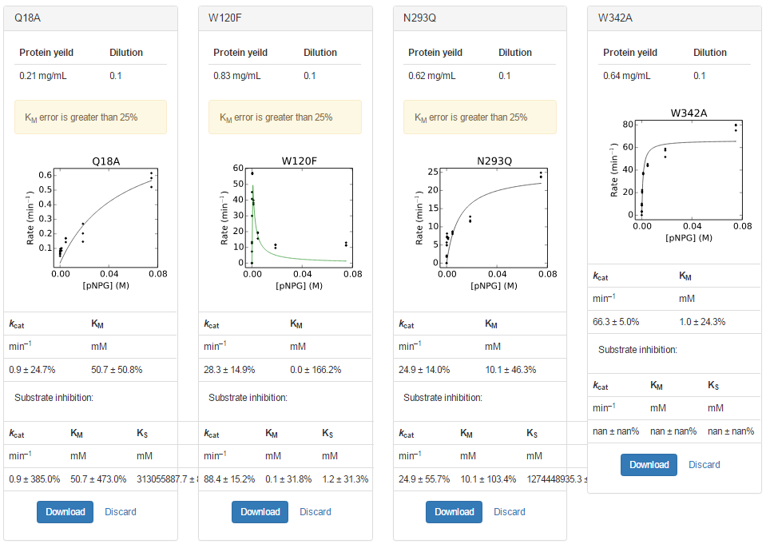
plate | sample | yield | dilution | Well | Max V [420] | kobs | s
18 | Q18A | 0.2095 | 0.1 | A1 | 1.2107143E-04 | 5.24E-01 | 0.07500 | 5.77E-01 | kcat | KM
18 | Q18A | 0.2095 | 0.1 | B1 | 6.2500000E-05 | 2.70E-01 | 0.01875 |  | min–1 | mM
18 | Q18A | 0.2095 | 0.1 | C1 | 3.9285714E-05 | 1.70E-01 | 0.00469 |  | 0.9 ± 24.7% | 50.7 ± 50.8%
18 | Q18A | 0.2095 | 0.1 | D1 | 1.9642857E-05 | 8.50E-02 | 0.00117
18 | Q18A | 0.2095 | 0.1 | E1 | -2.6785714E-05 | -1.16E-01 | 0.00029 |  | Substrate inhibition:
18 | Q18A | 0.2095 | 0.1 | F1 | -3.1785714E-05 | -1.38E-01 | 0.00007 |  | kcat | KM | KS
18 | Q18A | 0.2095 | 0.1 | G1 | 1.9285714E-05 | 8.35E-02 | 0.00002 |  | min–1 | mM | mM
18 | Q18A | 0.2095 | 0.1 | H1 | -1.7142857E-05 | -7.42E-02 | 0.00000 |  | 0.9 ± 385.0% | 50.7 ± 473.0% | 313055887.7 ± 870936741.6%
18 | Q18A | 0.2095 | 0.1 | A2 | 1.4321429E-04 | 6.20E-01 | 0.07500
18 | Q18A | 0.2095 | 0.1 | B2 | 4.7142857E-05 | 2.04E-01 | 0.01875
18 | Q18A | 0.2095 | 0.1 | C2 | 3.9285714E-05 | 1.70E-01 | 0.00469
18 | Q18A | 0.2095 | 0.1 | D2 | -2.1785714E-05 | -9.43E-02 | 0.00117
18 | Q18A | 0.2095 | 0.1 | E2 | 2.2500000E-05 | 9.74E-02 | 0.00029
18 | Q18A | 0.2095 | 0.1 | F2 | 1.6785714E-05 | 7.26E-02 | 0.00007
18 | Q18A | 0.2095 | 0.1 | G2 | 1.3928571E-05 | 6.03E-02 | 0.00002
18 | Q18A | 0.2095 | 0.1 | H2 | -1.5357143E-05 | -6.65E-02 | 0.00000
18 | Q18A | 0.2095 | 0.1 | A3 | 1.3535714E-04 | 5.86E-01 | 0.07500
18 | Q18A | 0.2095 | 0.1 | B3 | 3.3928571E-05 | 1.47E-01 | 0.01875
18 | Q18A | 0.2095 | 0.1 | C3 | 3.3214286E-05 | 1.44E-01 | 0.00469
18 | Q18A | 0.2095 | 0.1 | D3 | 2.3571429E-05 | 1.02E-01 | 0.00117
18 | Q18A | 0.2095 | 0.1 | E3 | 2.2142857E-05 | 9.58E-02 | 0.00029
18 | Q18A | 0.2095 | 0.1 | F3 | 1.8928571E-05 | 8.19E-02 | 0.00007
18 | Q18A | 0.2095 | 0.1 | G3 | 1.5357143E-05 | 6.65E-02 | 0.00002
18 | Q18A | 0.2095 | 0.1 | H3 | 1.1071429E-05 | 4.79E-02 | 0.00000
18 | W120F | 0.83 | 0.1 | A4 | 1.0418571E-02 | 1.14E+01 | 0.07500 | 1.19E+01 | kcat | KM
18 | W120F | 0.83 | 0.1 | B4 | 1.0608571E-02 | 1.16E+01 | 0.01875 |  | min–1 | mM
18 | W120F | 0.83 | 0.1 | C4 | 1.7875000E-02 | 1.95E+01 | 0.00469 |  | 28.3 ± 14.9% | 0.0 ± 166.2%
18 | W120F | 0.83 | 0.1 | D4 | 3.6628214E-02 | 4.00E+01 | 0.00117
18 | W120F | 0.83 | 0.1 | E4 | 5.1930357E-02 | 5.67E+01 | 0.00029 |  | Substrate inhibition:
18 | W120F | 0.83 | 0.1 | F4 | 2.7540000E-02 | 3.01E+01 | 0.00007 |  | kcat | KM | KS
18 | W120F | 0.83 | 0.1 | G4 | 6.7725000E-03 | 7.40E+00 | 0.00002 |  | min–1 | mM | mM
18 | W120F | 0.83 | 0.1 | H4 | 1.6428571E-05 | 1.79E-02 | 0.00000 |  | 88.4 ± 15.2% | 0.1 ± 31.8% | 1.2 ± 31.3%
18 | W120F | 0.83 | 0.1 | A5 | 1.0317857E-02 | 1.13E+01 | 0.07500
18 | W120F | 0.83 | 0.1 | B5 | 1.0784286E-02 | 1.18E+01 | 0.01875
18 | W120F | 0.83 | 0.1 | C5 | 1.7541786E-02 | 1.92E+01 | 0.00469
18 | W120F | 0.83 | 0.1 | D5 | 3.5126071E-02 | 3.84E+01 | 0.00117
18 | W120F | 0.83 | 0.1 | E5 | 5.2099286E-02 | 5.69E+01 | 0.00029
18 | W120F | 0.83 | 0.1 | F5 | 4.1381429E-02 | 4.52E+01 | 0.00007
18 | W120F | 0.83 | 0.1 | G5 | 1.2330357E-02 | 1.35E+01 | 0.00002
18 | W120F | 0.83 | 0.1 | H5 | 1.1785714E-05 | 1.29E-02 | 0.00000
18 | W120F | 0.83 | 0.1 | A6 | 1.1926429E-02 | 1.30E+01 | 0.07500
18 | W120F | 0.83 | 0.1 | B6 | 8.8382143E-03 | 9.65E+00 | 0.01875
18 | W120F | 0.83 | 0.1 | C6 | 1.4303571E-02 | 1.56E+01 | 0.00469
18 | W120F | 0.83 | 0.1 | D6 | 3.4170357E-02 | 3.73E+01 | 0.00117
18 | W120F | 0.83 | 0.1 | E6 | 5.2681786E-02 | 5.75E+01 | 0.00029
18 | W120F | 0.83 | 0.1 | F6 | 3.7412143E-02 | 4.09E+01 | 0.00007
18 | W120F | 0.83 | 0.1 | G6 | 1.1540000E-02 | 1.26E+01 | 0.00002
18 | W120F | 0.83 | 0.1 | H6 | 1.3571429E-05 | 1.48E-02 | 0.00000
18 | N293Q | 0.622 | 0.1 | A7 | 1.7119643E-02 | 2.50E+01 | 0.07500 | 2.42E+01 | kcat | KM
18 | N293Q | 0.622 | 0.1 | B7 | 8.8078571E-03 | 1.28E+01 | 0.01875 |  | min–1 | mM
18 | N293Q | 0.622 | 0.1 | C7 | 6.0007143E-03 | 8.75E+00 | 0.00469 |  | 24.9 ± 14.0% | 10.1 ± 46.3%
18 | N293Q | 0.622 | 0.1 | D7 | 4.5725000E-03 | 6.66E+00 | 0.00117
18 | N293Q | 0.622 | 0.1 | E7 | 4.8525000E-03 | 7.07E+00 | 0.00029 |  | Substrate inhibition:
18 | N293Q | 0.622 | 0.1 | F7 | 3.3978571E-03 | 4.95E+00 | 0.00007 |  | kcat | KM | KS
18 | N293Q | 0.622 | 0.1 | G7 | 1.1921429E-03 | 1.74E+00 | 0.00002 |  | min–1 | mM | mM
18 | N293Q | 0.622 | 0.1 | H7 | -2.1428571E-05 | -3.12E-02 | 0.00000 |  | 24.9 ± 55.7% | 10.1 ± 103.4% | 1274448935.3 ± 557415030.9%
18 | N293Q | 0.622 | 0.1 | A8 | 1.6275000E-02 | 2.37E+01 | 0.07500
18 | N293Q | 0.622 | 0.1 | B8 | 7.8592857E-03 | 1.15E+01 | 0.01875
18 | N293Q | 0.622 | 0.1 | C8 | 5.7828571E-03 | 8.43E+00 | 0.00469
18 | N293Q | 0.622 | 0.1 | D8 | 4.8010714E-03 | 7.00E+00 | 0.00117
18 | N293Q | 0.622 | 0.1 | E8 | 5.0507143E-03 | 7.36E+00 | 0.00029
18 | N293Q | 0.622 | 0.1 | F8 | 3.3867857E-03 | 4.94E+00 | 0.00007
18 | N293Q | 0.622 | 0.1 | G8 | 1.4221429E-03 | 2.07E+00 | 0.00002
18 | N293Q | 0.622 | 0.1 | H8 | 1.2500000E-05 | 1.82E-02 | 0.00000
18 | N293Q | 0.622 | 0.1 | A9 | 1.6392500E-02 | 2.39E+01 | 0.07500
18 | N293Q | 0.622 | 0.1 | B9 | 8.0732143E-03 | 1.18E+01 | 0.01875
18 | N293Q | 0.622 | 0.1 | C9 | 5.5100000E-03 | 8.03E+00 | 0.00469
18 | N293Q | 0.622 | 0.1 | D9 | 4.7850000E-03 | 6.97E+00 | 0.00117
18 | N293Q | 0.622 | 0.1 | E9 | 5.6053571E-03 | 8.17E+00 | 0.00029
18 | N293Q | 0.622 | 0.1 | F9 | 3.9153571E-03 | 5.71E+00 | 0.00007
18 | N293Q | 0.622 | 0.1 | G9 | 1.4035714E-03 | 2.05E+00 | 0.00002
18 | N293Q | 0.622 | 0.1 | H9 | 2.3214286E-05 | 3.38E-02 | 0.00000
18 | W342A | 0.6405 | 0.1 | A10 | 5.6810000E-02 | 8.04E+01 | 0.07500 | 7.85E+01 | kcat | KM
18 | W342A | 0.6405 | 0.1 | B10 | 4.1738929E-02 | 5.91E+01 | 0.01875 |  | min–1 | mM
18 | W342A | 0.6405 | 0.1 | C10 | 3.1163214E-02 | 4.41E+01 | 0.00469 |  | 66.3 ± 5.0% | 1.0 ± 24.3%
18 | W342A | 0.6405 | 0.1 | D10 | 2.6124286E-02 | 3.70E+01 | 0.00117
18 | W342A | 0.6405 | 0.1 | E10 | 1.5834643E-02 | 2.24E+01 | 0.00029 |  | Substrate inhibition:
18 | W342A | 0.6405 | 0.1 | F10 | 7.2507143E-03 | 1.03E+01 | 0.00007 |  | kcat | KM | KS
18 | W342A | 0.6405 | 0.1 | G10 | 2.4910714E-03 | 3.53E+00 | 0.00002 |  | min–1 | mM | mM
18 | W342A | 0.6405 | 0.1 | H10 | 3.2500000E-05 | 4.60E-02 | 0.00000 |  | nan ± nan% | nan ± nan% | nan ± nan%
18 | W342A | 0.6405 | 0.1 | A11 | 5.6422143E-02 | 7.99E+01 | 0.07500
18 | W342A | 0.6405 | 0.1 | B11 | 3.6609286E-02 | 5.18E+01 | 0.01875
18 | W342A | 0.6405 | 0.1 | C11 | 3.2127857E-02 | 4.55E+01 | 0.00469
18 | W342A | 0.6405 | 0.1 | D11 | 2.5750714E-02 | 3.65E+01 | 0.00117
18 | W342A | 0.6405 | 0.1 | E11 | 1.4942857E-02 | 2.12E+01 | 0.00029
18 | W342A | 0.6405 | 0.1 | F11 | 6.1400000E-03 | 8.69E+00 | 0.00007
18 | W342A | 0.6405 | 0.1 | G11 | 2.2803571E-03 | 3.23E+00 | 0.00002
18 | W342A | 0.6405 | 0.1 | H11 | -1.8214286E-05 | -2.58E-02 | 0.00000
18 | W342A | 0.6405 | 0.1 | A12 | 5.3242857E-02 | 7.54E+01 | 0.07500
18 | W342A | 0.6405 | 0.1 | B12 | 4.0702500E-02 | 5.76E+01 | 0.01875
18 | W342A | 0.6405 | 0.1 | C12 | 3.0960000E-02 | 4.38E+01 | 0.00469
18 | W342A | 0.6405 | 0.1 | D12 | 2.6603571E-02 | 3.77E+01 | 0.00117
18 | W342A | 0.6405 | 0.1 | E12 | 1.4198929E-02 | 2.01E+01 | 0.00029
18 | W342A | 0.6405 | 0.1 | F12 | 6.3896429E-03 | 9.04E+00 | 0.00007
18 | W342A | 0.6405 | 0.1 | G12 | 2.1367857E-03 | 3.02E+00 | 0.00002
18 | W342A | 0.6405 | 0.1 | H12 | -4.2500000E-05 | -6.02E-02 | 0.00000

Master Comparison Sheet outdate
WT Bagel Position | Scaffold | Homolog Mutation | WT Bagel MM Graph | Homolog Graph | Bagel Mut Kcat | Bagel Mut Km | Bagel Mut Ki | Bagel Mut Eff | Homo WT Kcat | Homo WT Km | Homo WT Ki | Homo WT Eff
 |  |  |  | 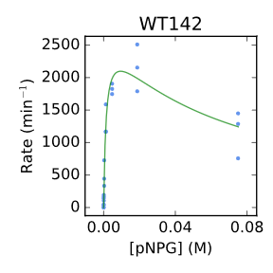 | 880 ± 10 | 5.00 ± 0.2 | - | 176,000 ± 8000 | 2712.3 ± 10.2% | 1.4 ± 27.1% | 64.5 ± 31.1% | 1,937
R240A | 142 | 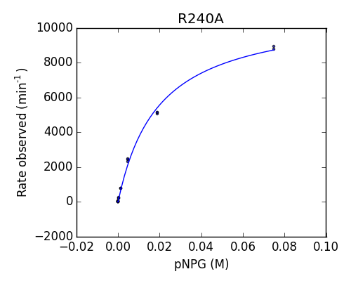 S237R |  | 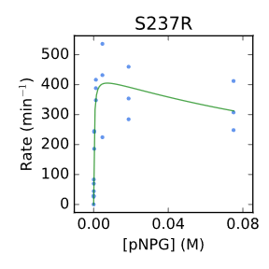 | 11,011 ± 258 | 19.46 ± 1.17 | - | 565,763 ± 36,384 | 436.3 ± 9.3% | 0.3 ± 37.3% | 191.1 ± 61.8% | 1454.333333
E222A | 142 | T221E | 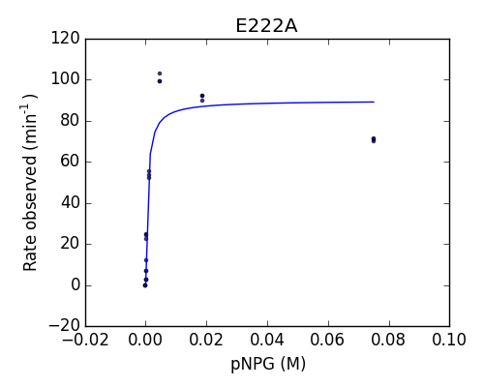 | 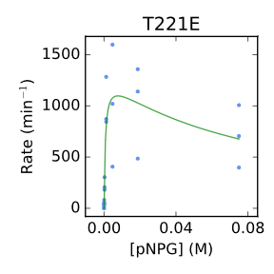 | 90 ± 4 | 0.63 ±0.15 | 95.24 ± 13.70 | 143,604 ± 36,130 | 1303.5 ± 19.9% | 0.7 ± 62.6% | 82.0 ± 75.2% | 1862.142857
Y295W | 142 | Did not Transorm |  |  | New
Q19A | 142 | 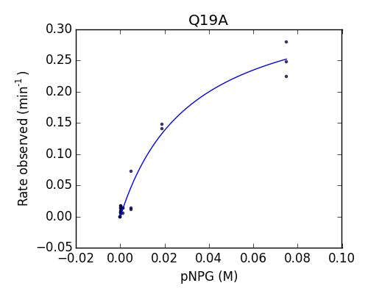 W18A |  | 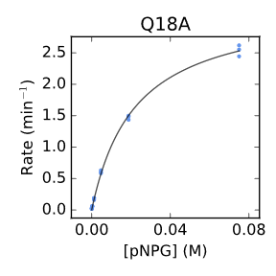 | - | - | - | 11 ± 3 | 3.3 ± 1.7% | 22.2 ± 4.6% | - | 0.1486486486
W325A | 142 | 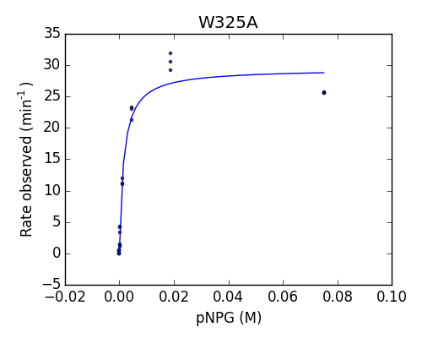 W317A |  | 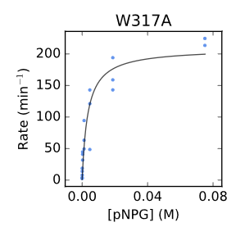 | 29 ± 1 | 1.61 ± 0.23 | 171.02 ± 19.85 | 18,243 ± 2,607 | 208.8 ± 8.0% | 3.5 ± 30.1% | - | 59.65714286
W120F | 142 | W119F | 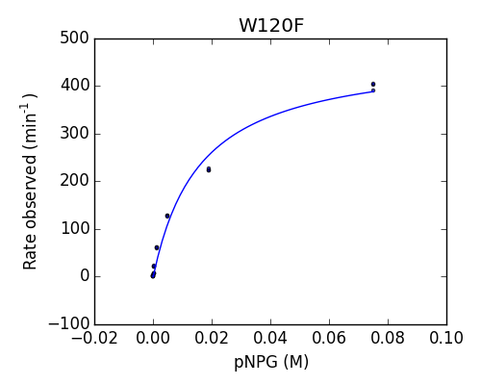 | 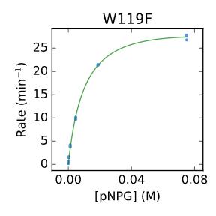 | 472 ± 21 | 16.08 ± 2.07 |  | 29,334 ± 3,980 | 30.9 ± 1.3% | 9.1 ± 4.5% | - | 3.395604396
Y118F | 142 | Y117F |  | 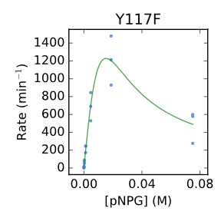 | New |  |  |  | 38,165.0 ± 612.0% | 229.6 ± 625.7% | 1.0 ± 632.5%
N293Q | 142 | N287Q |  | 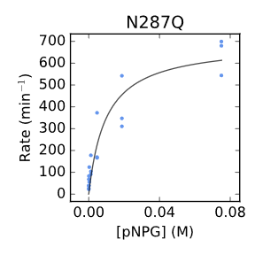 | New |  |  |  | 693.1 ± 47.2% | 9.8 ± 87.4% | - | 70.7244898
T352V | 142 | T344V |  | 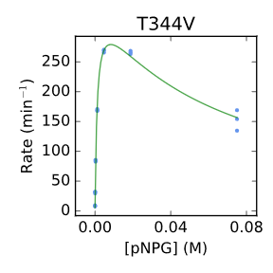 | New |  |  |  | 357.7 ± 3.4% | 1.2 ± 9.3% | 59.1 ± 10.5% | 298.0833333
N220Y | 142 | N219Y |  | 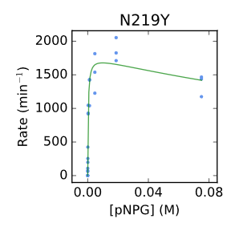 | New |  |  |  | 1790.4 ± 5.9% | 0.3 ± 23.5% | 291.4 ± 50.4% | 5968

Master Sheet outdated
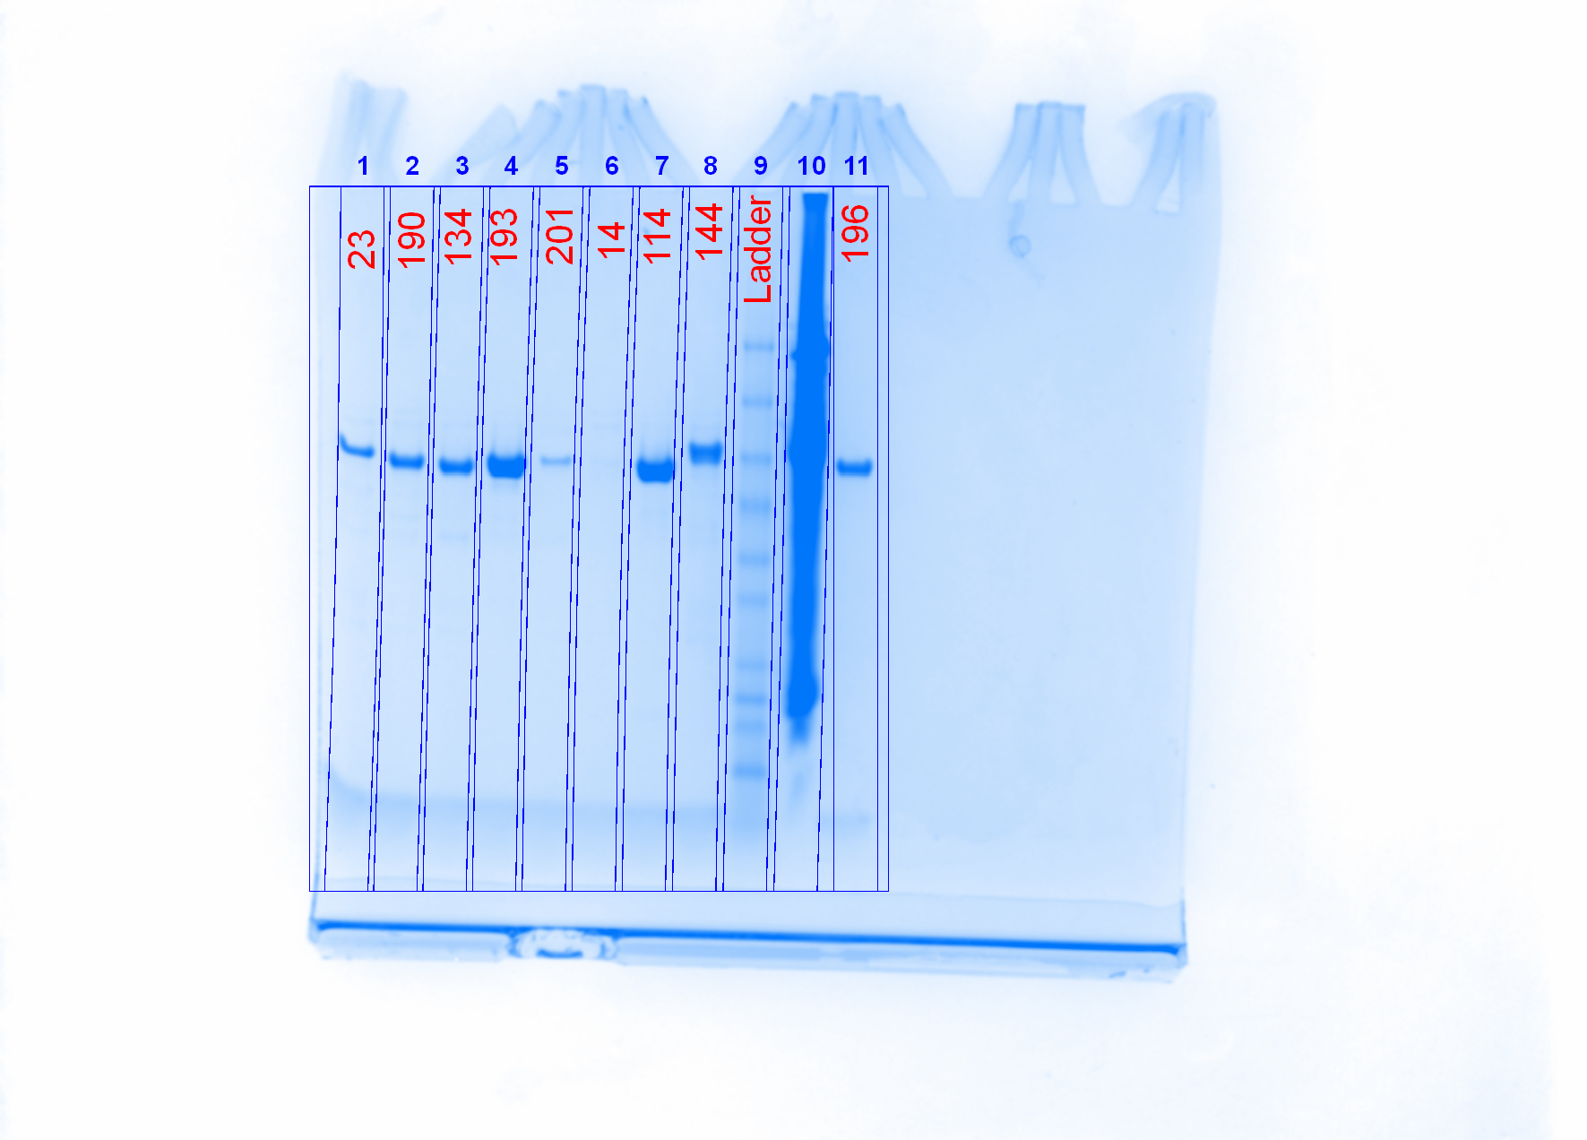
Mutant | Run Number | Image of Plate | Growth Pellet (g) | Expression Pellet (g) | Yield (mg/mL) | k obs for highest concentration | Kcat (1/min) | Kcat error (%) | Km (M) | Km error (%) | Keff (M-1min-1) | Ki | Ki error (%) | Gel
14 | 1Kinetics |  | 0.286 |  | 0.0445 | 0.288
114 | 1Kinetics |  | 0.295 |  | 0.349 | 0.5973333333
144 | 1Kinetics |  | 0.396 |  | 0.212 | 0.8026666667
23 | 1Kinetics |  | 0.231 |  | 0.144 | 0.283
201 | 1Kinetics |  | 0.292 |  | 0.072
134 | 1Kinetics |  | 0.321 |  | 0.162 | Too fast at 10X
190 | 1Kinetics |  | 0.231 |  | 0.1675 | 0.2435
193 | 1Kinetics |  | 0.334 |  | 0.3505 | 0.3275
196 | 1Kinetics |  | 0.239 |  | 0.249 | 0.289
14 (25 mL) | 1therm |  | 1.246 | 1.756 | 0.089 |  |  |  |  |  |  |  |  | 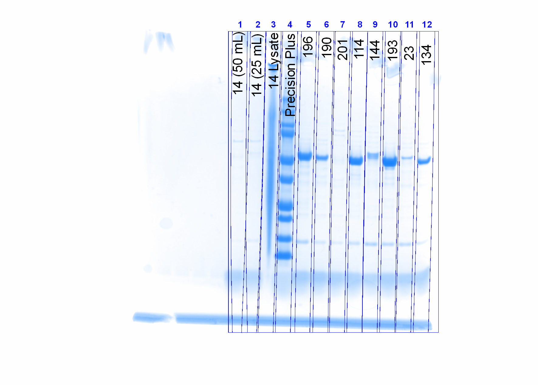
14 (50 mL) | 1therm |  | 1.693 | 2.409 | 0.084
114 | 1therm |  | 0.335 | 0.465 | 0.5185
144 | 1therm |  | 0.343 | 0.504 | 0.192
23 | 1therm |  | 0.331 | 0.445 | 0.155
201 | 1therm |  | 0.256 | 0.48 | 0.0975
134 | 1therm |  | 0.321 | 0.471 | 0.1945
190 | 1therm |  | 0.339 | 0.484 | 0.211
193 | 1therm |  | 0.251 | 0.496 | 0.7905
196 | 1therm |  | 0.319 | 0.486 | 0.517
139 | 1Kinetics |  |  |  |  |  | 378.60 | 9.6 | 9.39E-04 | 25.7 | 4.03E+05 | 4.27E-02 | 27.6
79 | 1Kinetics |  |  |  |  |  | Very low activity |  |  |  | #VALUE!
128 | 1Kinetics |  |  |  |  |  | 114.40 | 3.9 | 3.00E-05 | 22 | 3.81E+06 | 2.13E-01 | 36.2
4 | 1Kinetics |  |  |  |  |  | 94.10 | 6.6 | 7.00E-06 | 41.1 | 1.34E+07 | 2.84E-03 | 23.7
202 | 1Kinetics |  |  |  |  |  | 2,140.50 | 3.1 | 9.94E-04 | 12.7 | 2.15E+06 | N/A | N/A
6 | 1Kinetics |  |  |  |  |  | 4.10 | 5.8 | 2.08E-03 | 15.6 | 1.97E+03 | 1.59E-01 | 24.6
8 | 1Kinetics |  |  |  |  |  | 19.70 | 9.8 | 2.02E-04 | 42 | 9.75E+04 | 2.46E-01 | 80
16 | 1Kinetics |  |  |  |  |  | 1,268.60 | 9.3 | 4.42E-03 | 16.8 | 2.87E+05 | N/A | N/A
95 | 1Kinetics |  |  |  |  |  | 1,721.60 | 11.8 | 1.41E-03 | 33.3 | 1.22E+06 | N/A | N/A
142 | 1Kinetics |  |  |  |  |  | 2,801.60 | 2.3 | 5.51E-04 | 8.6 | 5.08E+06 | 7.39E-01 | 37.8

